Case #1
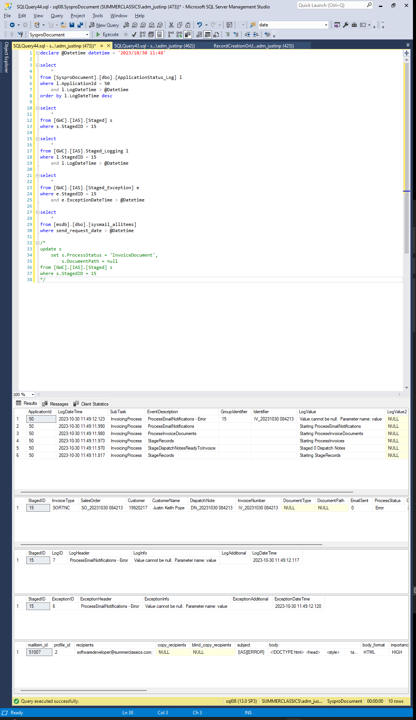
Justin Pope Dev Test
Test Case No. |  | 1
Process |  | Unit Testing
Test Consideration |  | 1)
Test Condition |  |  | Data Used | How To Verify | Actual Results
Tasks
 |  | Updating GWC.IAS.Staged record with junk data and test exception handling |  |  | screen shots below
Configuration/Data Setup for Testing Scenario
Verification
Test Cast Screens Shots Before and After

 | Test 1 | Updating StagedID 15 to ProcessStatus - Staged

 | GWC.IAS.Staged |  | update to Staged

 | StagedID | InvoiceType | SalesOrder | Customer | CustomerName | DispatchNote | InvoiceNumber | DocumentType | DocumentPath | EmailSent | ProcessStatus | Created | LastUpdate
 | 15 | SORTNC | SO_20231030 084213 | 19920217 | Justin Keith Pope | DN_20231030 084213 | IV_20231030 084213 | DP_ | NULL | 0 | Staged | 2023-10-30 | 2023-10-30

 | Expectation is that there will be an error from syspro the dispatch number is invalid

 | Starting State

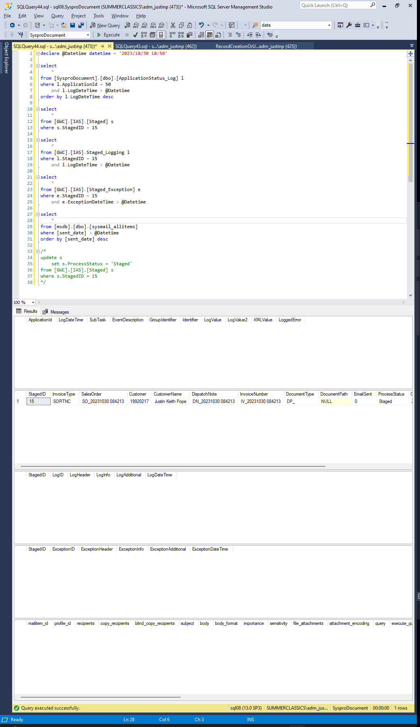

 | After Execution of process

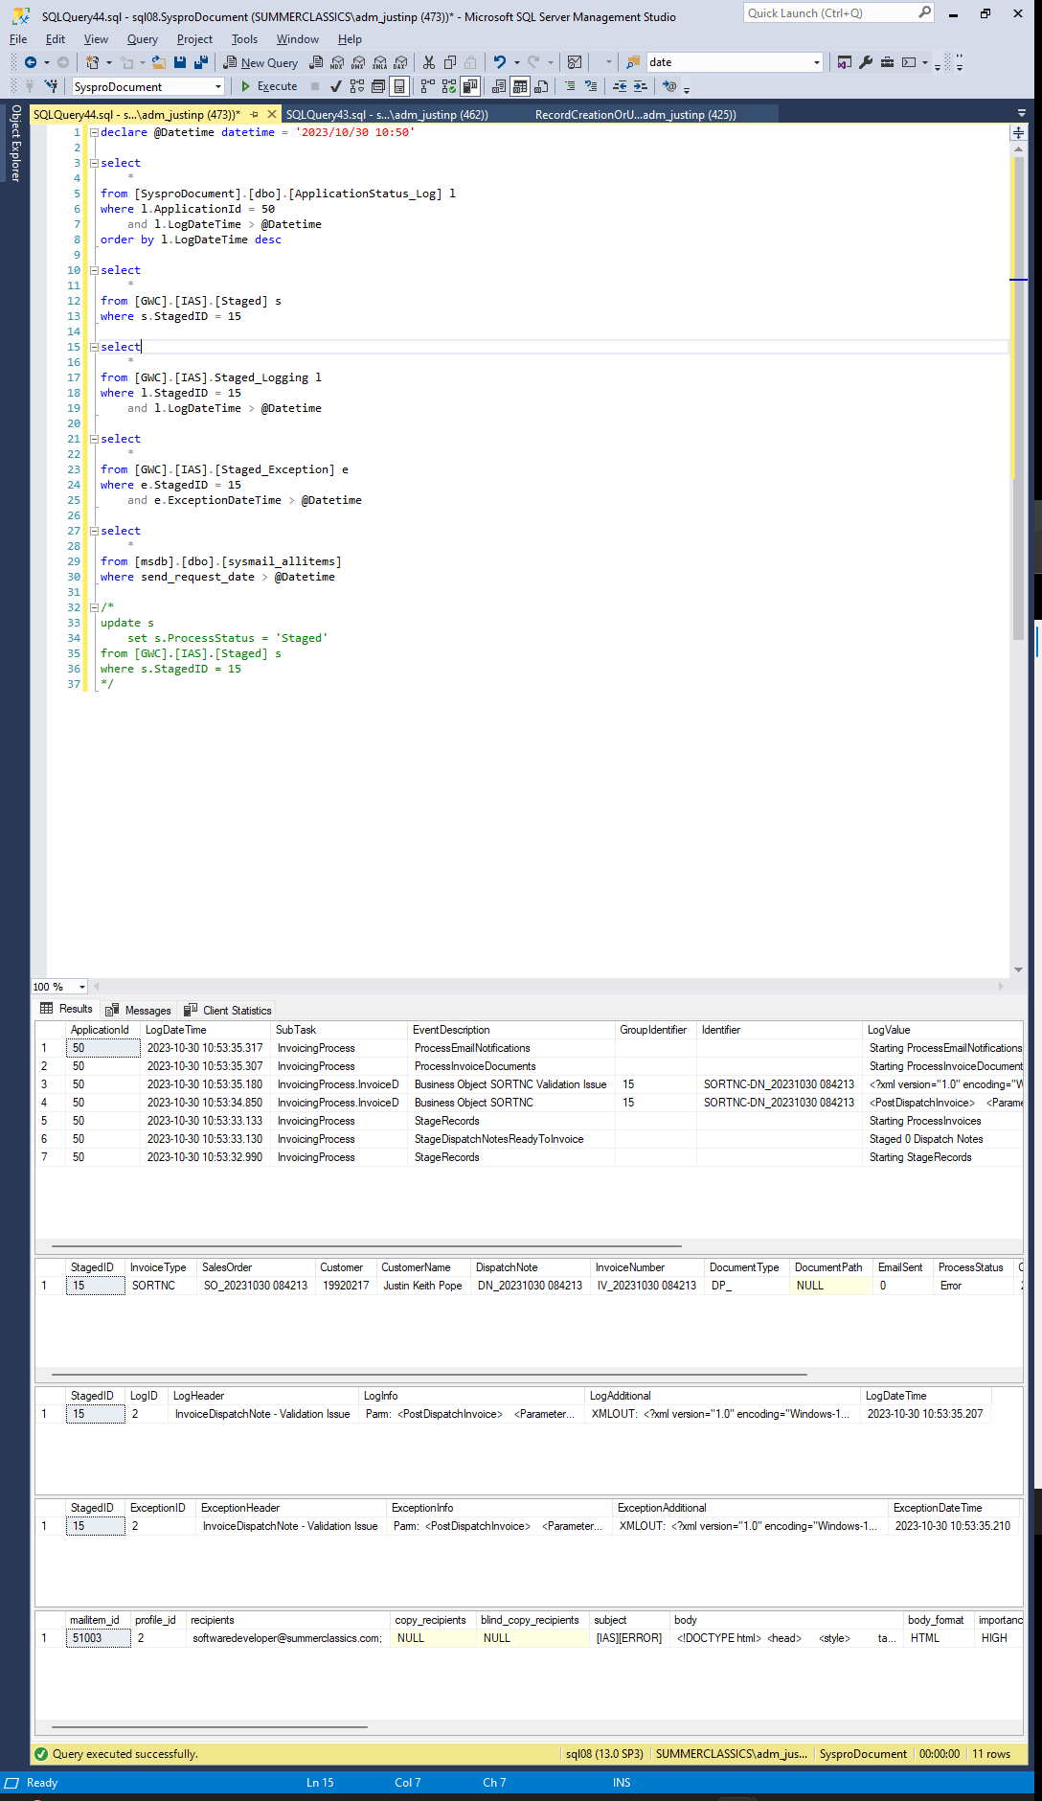

 | Test 2 | Updating StagedID 15 to ProcessStatus - Invoice

 | GWC.IAS.Staged |  | update to Staged

 | StagedID | InvoiceType | SalesOrder | Customer | CustomerName | DispatchNote | InvoiceNumber | DocumentType | DocumentPath | EmailSent | ProcessStatus | Created | LastUpdate
 | 15 | SORTNC | SO_20231030 084213 | 19920217 | Justin Keith Pope | DN_20231030 084213 | IV_20231030 084213 | DP_ | NULL | 0 | Invoicing | 2023-10-30 | 2023-10-30

 | Expectation where the document could not be created

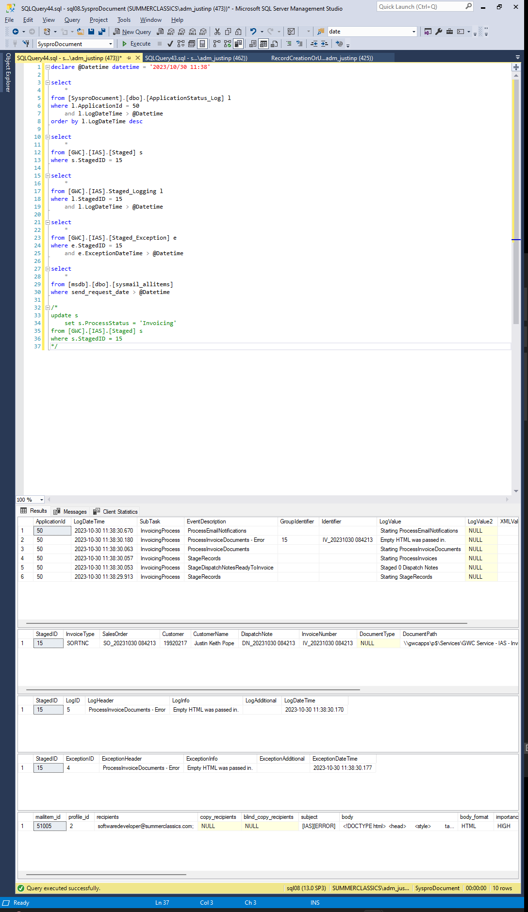

 | Test 3 | Updating StagedID 15 to ProcessStatus - InvoiceDocument

 | GWC.IAS.Staged |  | update to Staged

 | StagedID | InvoiceType | SalesOrder | Customer | CustomerName | DispatchNote | InvoiceNumber | DocumentType | DocumentPath | EmailSent | ProcessStatus | Created | LastUpdate
 | 15 | SORTNC | SO_20231030 084213 | 19920217 | Justin Keith Pope | DN_20231030 084213 | IV_20231030 084213 | NULL | NULL | 0 | InvoiceDocument | 2023-10-30 | 2023-10-30

 | Expectation the sendgrid payload is incorrect

